Sheet1
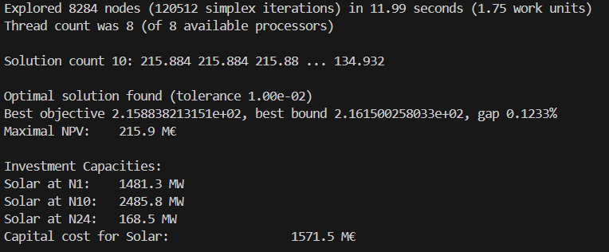
Timed optimization runs (Fertins pc in debug mode)
Bilevel speed up measures
As a baseline, the Big-M notation has been efficiently implemented and NPV lower bound set to 0.
 | Hours run | Base model | Bounded dual variables | Lambdas from NodalClearing | NPV upper bound from NodalIP | NPV lower bound from NodalClearing | Objective value [M€]
 | Total runtime (+overhead) (s): |  |  |  |  |  |  | 2 hours | base model
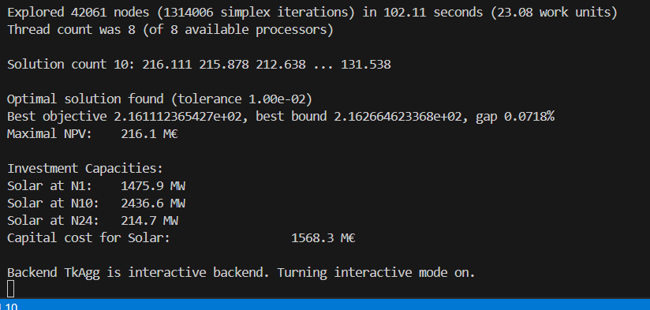
 | 1 | 7.44 | 4.14 | 1.57 | 1.48 | 1.42 | 232.9
 | 2 | 84.62 | 62.61 | 8.56 | 7.52 | 6.73 | 216.1
 | 5 |  |  |  |  | 118.26
 | 24
 | Bilevel problem runtime (s):
 | 1 | 7.13 | 3.99 | 1.36 | 1.29 | 1.15
 | 2 | 84.3 | 62.38 | 8.21 | 7.21 | 6.36
 | 5 |  |  |  |  | 117.68
 | 24
 | PreModel runtime (overhead) (s):
 | 1 | 0.31 | 0.15 | 0.21 | 0.19 | 0.27
 | 2 | 0.32 | 0.23 | 0.35 | 0.31 | 0.37
 | 5 | 0 | 0 | 0 | 0 | 0.58
 | 24 | 0 | 0 | 0 | 0 | 0
 | Bilevel problem work units:
 | 1 | 1.63 | 0.91 | 0.22 | 0.21 | 0.19
 | 2 | 19.02 | 12.9 | 1.87 | 1.48 | 1.31
 | 5 |  |  |  |  | 39.93 |  | 2 hours - improved bounds
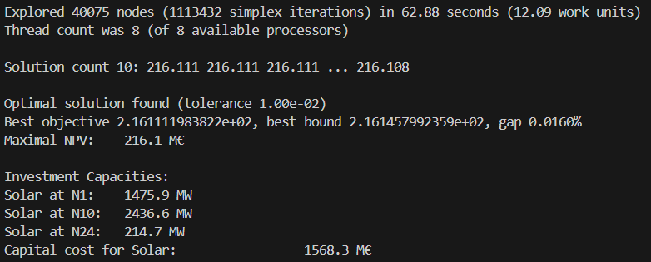
 | 24
 | Work unit ratio
 | 1 | 4.3742331288 | 4.3846153846 | 6.1818181818 | 6.1428571429 | 6.0526315789
 | 2 | 4.4321766562 | 4.8356589147 | 4.3903743316 | 4.8716216216 | 4.8549618321
 | 5 | #DIV/0! | #DIV/0! | #DIV/0! | #DIV/0! | 2.9471575257
 | 24 | #DIV/0! | #DIV/0! | #DIV/0! | #DIV/0! | #DIV/0!
Other notes on runs made:
First hour is hour 19
Budget is 10000
CT is 60
Seed is 38

 |  |  |  |  |  |  |  | 2 hours - lambda bounds

